NOTES

Excel TEXT function Examples

The following worksheets have various TEXT function examples as mentioned in the following Support.Office.com article:

TEXT function reference

Each worksheet is listed below, along with what kind of examples you'll find, and each sheet name is hyperlinked to the sheet.

Worksheet | Description
Format Codes | List of the format codes from the Format Cells dialog
TEXT() function intro | TEXT function overview and examples
Thousands separator | Using the Thousands separator with the TEXT function
Number, currency, accounting | Applying number, currency and accounting formats with the TEXT function
Months, days, years | Applying months, days and year formats with the TEXT function
Hours, minutes, seconds | Applying hours, minutes and second formats with the TEXT function
Date & time | Applying date & and time formats with the TEXT function
Percentage | Applying percentage formats with the TEXT function
Fraction | Applying fraction formats with the TEXT function
Scientific notation | Applying Scientific notation formats with the TEXT function
Special | Applying Special formats with the TEXT function
Symbols | Using symbols and custom formats with the TEXT function
Combine multiple formats | Combining multiple text and value formats with the TEXT function
Custom | Creating and applying Custom formats with the TEXT function
Leading 0's | Applying leading 0's with the TEXT function and convert text to numbers
New line | Applying new lines with CHAR(10) and the TEXT function
Page Header & Footer | Adding dates and times to a Page Header or Footer

Format Codes
Excel Format Codes from the Format Cells dialog
These are the format codes you'll see in the Format Cells dialog. You can apply the format of your choice, then click the Custom category, and copy the format that's displayed in the Type box into your TEXT formula.
=TEXT(C4,"$#,###0.00")
Just make sure that the format code has quotes around it ("format code"), or you'll get an error.
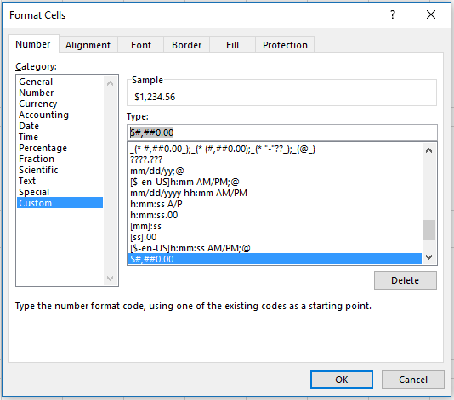
Format Code | Description | Example | • Use Ctrl+1 to launch the Format Cells dialog
General | No specific number format | 1234.56
Number | General number display with or without thousand separators and decimals | 1,234.56
Currency | Currency formats are used for general monetary values | $1,234.56
Accounting | Accounting formats line up the currency symbols and decimal points in a column | $1,234.56
Date | Date formats display date and time serial numbers as date values. Date formats that begin with an asterisk (*) respond to changes in regional date and time settings that are specified for the operating system. Formats without an asterisk are not affected by operating system settings. | 2016-10-27
Time | Time formats display date and time serial numbers as date values. Time formats that begin with an asterisk (*) respond to changes in regional date and time settings that are specific for the operating system. Formats without an asterisk are not affected by operating system settings. | 2016-10-27 16:47:25
Percentage | Percentage formats multiply the cell value by 100 and displays the results with a percent symbol (%). | 12.30%
Fraction | Fraction formats display numbers as fractions rather than decimals. | 1.75
Scientific | The Scientific format displays a number in exponential notation, replacing part of the number with E+ n, where E (which stands for Exponent) multiplies the preceding number by 10 to the n th power. For example, a 2-decimal Scientific format displays 12345678901 as 1.23E+10, which is 1.23 times 10 to the 10th power. | 1.23E+08
Text | Text format cells are treated as text even when a number is in the cell. The cell is displayed exactly as entered. | 1234
Special | Special formats are useful for tracking list and database values. The following special formats are included: • Zip Code • Zip Code + 4 • Phone Number • Social Security Number | 12345 12345-1234 (123) 456-7899 123-45-6789
Custom | Create your own format code, using one of the existing codes as a starting point | N/A

See more online: TEXT function reference

TEXT() function intro
TEXT function

• The TEXT function lets you convert a number into a text string.

• =TEXT(Value you want to format, “Format you want to apply")

Note that we use cell references, like =TEXT(A9,...), instead of putting our text values directly into our formulas. It's much easier to change them if they're out in the open.
Basic examples
Value | Formula | Result
2016-10-27 | =TEXT(A9,"MM/DD/YY") | 10/27/16
2016-10-27 | =TEXT(A10,"DDDD") | Thursday
0.285 | =TEXT(A11,"0.00%") | 28.50%

Combining text and numbers without the TEXT function
Text to combine | Value | Formula | Result
Report Printed on: | 2012-03-14 | =A15&" "&B15 | Report Printed on: 40982
Package Delivered at: | 15:30:00 | =A16&" "&B16 | Package Delivered at: 0.645833333333333
Weekly Revenue: | $66,348.72 | =A17&" "&B17 | Weekly Revenue: 66348.72

Use the TEXT function to force Excel to use the number format that you want.
Combining text and numbers with the TEXT function
Text to combine | Value | Formula | Result
Report Printed on: | 2012-03-14 | =A21&" "&TEXT(B21,"mm/dd/yy") | Report Printed on: 03/14/12
Package Delivered at: | 15:30:00 | =A22&" "&TEXT(B22,"HH:MM AM/PM") | Package Delivered at: 03:30 PM
Weekly Revenue: | $66,348.72 | =A23&" "&TEXT(B23,"$#,###.##") | Weekly Revenue: $66,348.72

See more online: TEXT function reference

Thousands separator
Thousands separator
• Excel separates thousands by commas if the format contains a comma (,) that is enclosed by number signs (#) or by zeros.
• A comma that follows a digit placeholder scales the number by 1,000. For example, if the format_text argument is "#,###.0,", Excel displays the number 12,200,000 as 12,200.0.
Value | Formula | Result
12200000 | =TEXT(A4,"#,###") | 12,200,000
12200000 | =TEXT(A5,"0,000.00") | 12,200,000.00
12200000 | =TEXT(A6,"#,") | 12200
12200000 | =TEXT(A7,"#,###.0,") | 12,200.0
12200000 | =TEXT(A8,"0.0,,") | 12.2

See more online: TEXT function reference

Number, currency, accounting
NOTES: not all formats copied from the Format Cells dialog will behave with the TEXT function the same way as a cell with the same value formatted on its own.
• The TEXT function converts numeric values to text, so Excel no longer sees the value as a number - Notice how the Result values are all left-aligned, but the starting values in column A are all right-aligned.
• Currency format with [Red] will color a negative value red when a cell is formatted, but the TEXT function doesn't support text color.
• Some accounting formats will be rejected in the TEXT function. For example, the following format will result in a #VALUE! error:
=TEXT(A11,"_($* #,##0.00_);_($* (#,##0.00);_($* "-"??_);_(@_)")
With the Accounting format you'll need to experiment until it displays the way that you want.
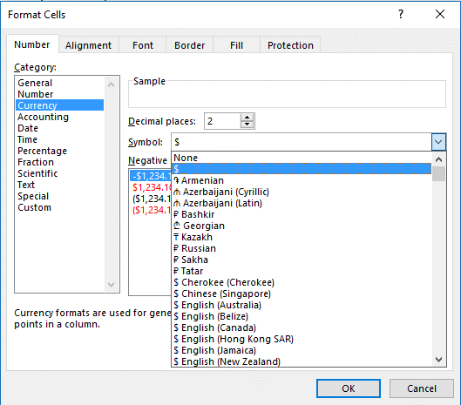
Number, Currency and Accounting formats
 |  |  |  | • Currency symbol selection
Value | Description | Formula | Result
1234.56 | Number - General | =TEXT(A4,"0.00") | 1234.56
1234.56 | Number - thousands separator, no decimals | =TEXT(A5,"#,##0") | 1,235
1234.56 | Number - thousands separator, 2 decimals | =TEXT(A6,"#,##0.00") | 1,234.56
1234.56 | Currency - no decimals | =TEXT(A7,"$#,##0") | $1,235
1234.56 | Currency - 2 decimals | =TEXT(A8,"$#,##0.00") | $1,234.56
-1234.56 | Currency - 2 decimals, negative value | =TEXT(A9,"$#,##0.00_);($#,##0.00)") | ($1,234.56)
1234.56 | Accounting - no decimals | =TEXT(A10,"$ * #,##0") | $ 1,235
1234.56 | Accounting - 2 decimals | =TEXT(A11,"$ * #,##0.00") | $ 1,234.56

Cell formatting with negative value in red - the TEXT function doesn't support color formatting
($1,235) | Currency with a negative value formated as $#,##0._);[Red]($#,##0.) from the Format Cells dialog

See more online: TEXT function reference

Months, days, years
Date Formats - Months, days and years

Date: | 2016-10-27

In this case we're referencing the date in cell B3 like this:
• =TEXT(B3,"M")
But you could enter the date directly in the formula as long as you surround it in quotes, like:
• =TEXT("3/12/14","m")
It's much better to reference cell values though, as they're much easier to see and change.
To display | As | Format | Formula | Result
Months | 1–12 | "m" | =TEXT(B3,"m") | 10
Months | 01–12 | "mm" | =TEXT(B3,"mm") | 10
Months | Jan–Dec | "mmm" | =TEXT(B3,"mmm") | Oct
Months | January–December | "mmmm" | =TEXT(B3,"mmmm") | October
Months | J–D | "mmmmm" | =TEXT(B3,"mmmmm") | O
Days | 1–31 | "d" | =TEXT(B3,"d") | 27
Days | 01–31 | "dd" | =TEXT(B3,"dd") | 27
Days | Sun–Sat | "ddd" | =TEXT(B3,"ddd") | Thu
Days | Sunday–Saturday | "dddd" | =TEXT(B3,"dddd") | Thursday
Years | 00–99 | "yy" | =TEXT(B3,"yy") | 16
Years | 1900–9999 | "yyyy" | =TEXT(B3,"yyyy") | 2016

You could also use a Named Range instead of a cell value, where cell B3 has been named "StartDate".

 | Formula | Result
 | =TEXT(StartDate,"m") | 10

See more: Define and use names in formulas

See more online: TEXT function reference

Hours, minutes, seconds
Time formats - Hours, minutes and seconds

Current time: | 2016-10-27 16:47:25

12-hour clock
• AM/PM, am/pm, A/P, a/p - Displays the hour based on a 12-hour clock. Excel displays AM, am, A, or a for times from midnight until noon and PM, pm, P, or p for times from noon until midnight.
24-hour clock
• If you leave off the AM/PM, Excel will display the time based on a 24-hour clock, like 17:30.
To display | As | Format | Formula | Result
Hours | 0-23 | "h" | =TEXT(B3,"h") | 16
Hours | 00-23 | "hh" | =TEXT(B3,"hh") | 16
Minutes | 0-59 | "m" | =TEXT(B3,"m") | 10
Minutes | 00-59 | "mm" | =TEXT(B3,"mm") | 10
Seconds | 0-59 | "s" | =TEXT(B3,"s") | 26
Seconds | 00-59 | "ss" | =TEXT(B3,"ss") | 26
Time | 2016-10-27 16:47:25 | "h AM/PM" | =TEXT(B3,"h AM/PM") | 4 PM
Time | 2016-10-27 16:47:25 | "h:mm AM/PM" | =TEXT(B3,"h:mm AM/PM") | 4:47 PM
Time | 2016-10-27 16:47:25 | "h:mm:ss A/P" | =TEXT(B3,"h:mm:ss A/P") | 4:47:26 P
Time | 2016-10-27 16:47:25 | "h:mm:ss.00" | =TEXT(B3,"h:mm:ss.00") | 16:47:25.76
Elapsed Time (hours & minutes) | 1:02:00 | "[h]:mm" | =TEXT(B16,"[h]:mm") | 1:02
Elapsed Time (minutes & seconds) | 1:02:16 | "[mm]:ss" | =TEXT(B17,"[mm]:ss") | 62:16
Elapsed Time (seconds & hundredths) | 1:02:16 | "[ss].00" | =TEXT(B18,"[ss].00") | 3735.80

See more online: TEXT function reference

Date & time
Combine Date & Time formats

Current Date/Time: | 10/27/2016
Combine Dates & Times – You can easily combine date and time format strings, like:
=TEXT(B3 "m/d/yyyy h:mm AM/PM")
You're not limited to putting text in front of the TEXT function, you can also put it afterwards like in the following example:
="Today is "&TEXT(B3,"dddd, mmmm yyyy")&", and the current time is "&TEXT(B3,"hh/mm AM/PM")&"."
Formula | Result
="Date: "&TEXT(B3,"mm/dd/yyyy") | Date: 10/27/2016
="Date-time: " & TEXT(B3, "m/d/yyyy h:mm AM/PM") | Date-time: 10/27/2016 4:47 PM

Full sentence
Today is Thursday, October 2016, and the current time is 04/47 PM.

="Today is "&TEXT(B3,"dddd, mmmm yyyy")&", and the current time is "&TEXT(B3,"hh/mm AM/PM")&"."

See more online: TEXT function reference

Percentage
Percentage formats
Percentages:
Percentage formats will display a decimal in its equivalent % format and round according to the number of decimal places entered. So 24.5% has been rounded to 1 decimal place.
Value | Description | Formula | Result
0.24474008839 | No decimals | =TEXT(A4,"0%") | 24%
0.24474008839 | 1 decimal | =TEXT(A5,"0.0%") | 24.5%
0.24474008839 | 2 decimals | =TEXT(A6,"0.00%") | 24.47%

See more online: TEXT function reference

Fraction
Fraction formats
Fractions:
• After you apply a fraction format to a cell, decimal numbers as well as actual fractions that you type in that cell will be displayed as a fraction. For
example, typing .5 or 1/2 results in 1/2 when the cell has been formatted with a fraction type of Up to one digit (1/4).
• If no fraction format is applied to a cell, and you type a fraction such as 1/2, it will be formatted as a date. To display it as a fraction, apply a Fraction format, and then retype the fraction.
** Note the second example uses the TRIM function to trim the leading space from decimal only values.
Value | Description | Formula | Result
4.34 | Up to one digit (1/4) | =TEXT(A4,"# ?/?") | 4 1/3
0.34 | Up to one digit (1/4) ** | =TRIM(TEXT(A5,"# ?/?")) | 1/3
4.34 | Up to two digits (21/25) | =TEXT(A6,"# ??/??") | 4 17/50
4.34 | Up to three digits (312/943) | =TEXT(A7,"# ???/???") | 4 17/50
4.34 | As halves (1/2) | =TEXT(A8,"# ?/2") | 4 1/2
4.34 | As quarters (2/4) | =TEXT(A9,"# ?/4") | 4 1/4
4.34 | As sixteenths (8/16) | =TEXT(A10,"# ??/16") | 4 5/16
4.34 | As tenths (3/10) | =TEXT(A11,"# ?/10") | 4 3/10
4.34 | As hundreths (30/100) | =TEXT(A12,"# ??/100") | 4 34/100

See more online: TEXT function reference

Scientific notation
Scientific notation formats
Scientific notation:
E (E-, E+, e-, e+) - Displays a number in scientific (exponential) format. Excel displays a number to the right of the "E" or "e" that corresponds to the number of places that the decimal point was moved. For example, if the format_text argument is "0.00E+00", Excel displays the number 12,200,000 as 1.22E+07. If you change the format_text argument to "#0.0E+0", Excel displays 12.2E+6.
Value | Description | Formula | Result
12,200,000 | Scientific - 7 places | =TEXT(A4,"0.00E+00") | 1.22E+07
12,200,000 | Scientific - 6 places | =TEXT(A5,"#0.0E+0") | 12.2E+6

See more online: TEXT function reference

Special
Special formats - Zip code, Zip +4, Phone number, Social Security number
You can create your own Special fomats with a Custom number format. For example, a standard 16-digit credit card format could be:
"####-####-####-####"
Value | Description | Formula | Result
12345 | Zip Code | =TEXT(A4,"00000") | 12345
123456789 | Zip Code + 4 | =TEXT(A5,"00000-0000") | 12345-6789
1234567899 | Phone Number | =TEXT(A6,"[<=9999999]###-####;(###) ###-####") | (123) 456-7899
123456789 | Social Security Number | =TEXT(A7,"000-00-0000") | 123-45-6789

See more online: TEXT function reference

Symbols
Using Symbols with the TEXT function to create custom formats

Symbol | Name | To enter | Use this key combination
$ | Dollar sign | ¢ | ALT+0162
+ | Plus sign | £ | ALT+0163
( | Left parenthesis | ¥ | ALT+0165
: | Colon | € | ALT+0128
^ | Circumflex accent (caret)
Symbols are displayed exactly as entered. For example,
=TEXT(A4,"~$#,###") would display "~$1,235".
' | Apostrophe
{ | Left curly bracket
< | Less-than sign
= | Equal sign
Use the Custom number format dialog to help build your own custom number formats. It's much easier to modify an existing format than try to build your own from scratch!
- | Minus sign
/ | Slash mark
) | Right parenthesis
! | Exclamation point
& | Ampersand
~ | Tilde
} | Right curly bracket
> | Greater-than sign
 | Space character

See more: Create or delete a custom number format

See more online: TEXT function reference

Combine multiple formats
Create sentences with the TEXT function
 |  | Details
Formula | Result | Salesperson | Sales | % of Total
=D4&" sold "&TEXT(E4,"$#,###")&" worth of units." | Robbie Burke sold $2,800 worth of units. | Robbie Burke | $2,800.00 | 40%
=D4&" had "&TEXT(F4, "0%")&" of total sales." | Robbie Burke had 40% of total sales.

You can combine multiple values and text with the Ampersand (&) and punctuation separators, like &", "& to add a comma followed by a space. This is called "concatenation".

See more online: TEXT function reference

Custom
Custom formats

You can create your own Special formats with a Custom number format.
Value | Description | Formula | Result
123456 | ID # & 9-Digit number | ="ID# "&TEXT(A4,"000000000") | ID# 000123456
123456 | Latitude/Longitude | =TEXT(A5,"###° 00' 00''") | 12° 34' 56''

See more online: TEXT function reference

Leading 0's
Restore leading 0's and convert back to numbers
The TEXT function converts numeric values to TEXT, so you can't perform mathematical operations on them. You can use the double-unary (--) operator to convert text values back to numbers, like:
=--D4
Which will convert 00001 back to 1
If you need to use a TEXT converted number in a formula try to use it before using (--), like =D4+2, which will return 3. If Excel returns an error then you can use =--D4+2.
 | Original Value | Leading 0's removed | TEXT function | Convert back to Numbers
 | 00001 | 1 | 00001 | 1
 | 00012 | 12 | 00012 | 12
 | 00123 | 123 | 00123 | 123
 | 01234 | 1234 | 01234 | 1234
 | 12345 | 12345 | 12345 | 12345

See more online: TEXT function reference

New line
Use CHAR(10) with the TEXT function to add a new line

Formula | TEXT w/a Line Break
="Today is: "&CHAR(10)&TEXT(TODAY(),"mm/dd/yy") | Today is: 10/27/16

You can use CHAR(10) with the TEXT function to create a new line, but you need to format the cell to Wrap Text.
Format Cells (Ctrl+1) > Alignment > Check the Wrap Text check box

See more online: TEXT function reference

Page Header & Footer
Add a Date/Time Stamp to a Page Header/Footer

Page Header/Footer
You don't need to use the TEXT function to add a Page Header or Footer.
1. To add a Date/Time stamp to a Page Header/Footer first click the Page Setup flyout in the Ribbon: Pasgfsadfage Layout > Page Setup > Flyout.
2. In the Page Setup dialog click the Header/Footer tab.
3. Add your text in the Left/Center/Right section(s), then click the Date or Time buttons.

1. | Choose the Page Setup flyout in the Page Layout ribbon tab

2. | Click the Header/Footer tab on the Page Setup dialog | 3. | Add your section text and click on the Date or Time buttons above
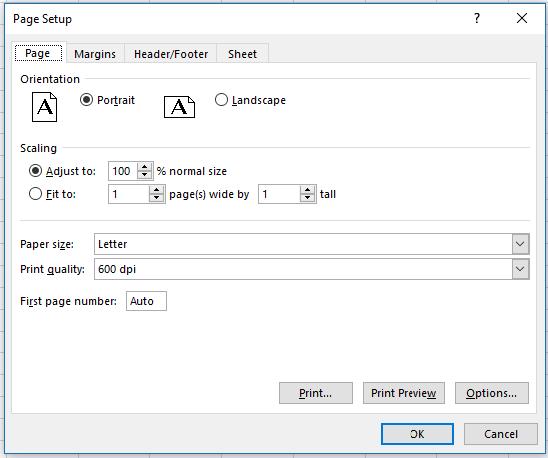
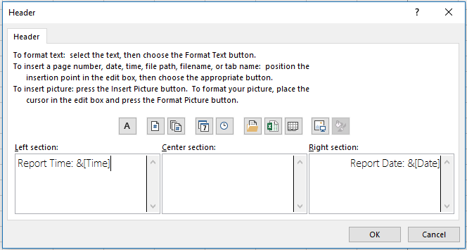
Date/Time selections

See more online: TEXT function reference

